survey_creator
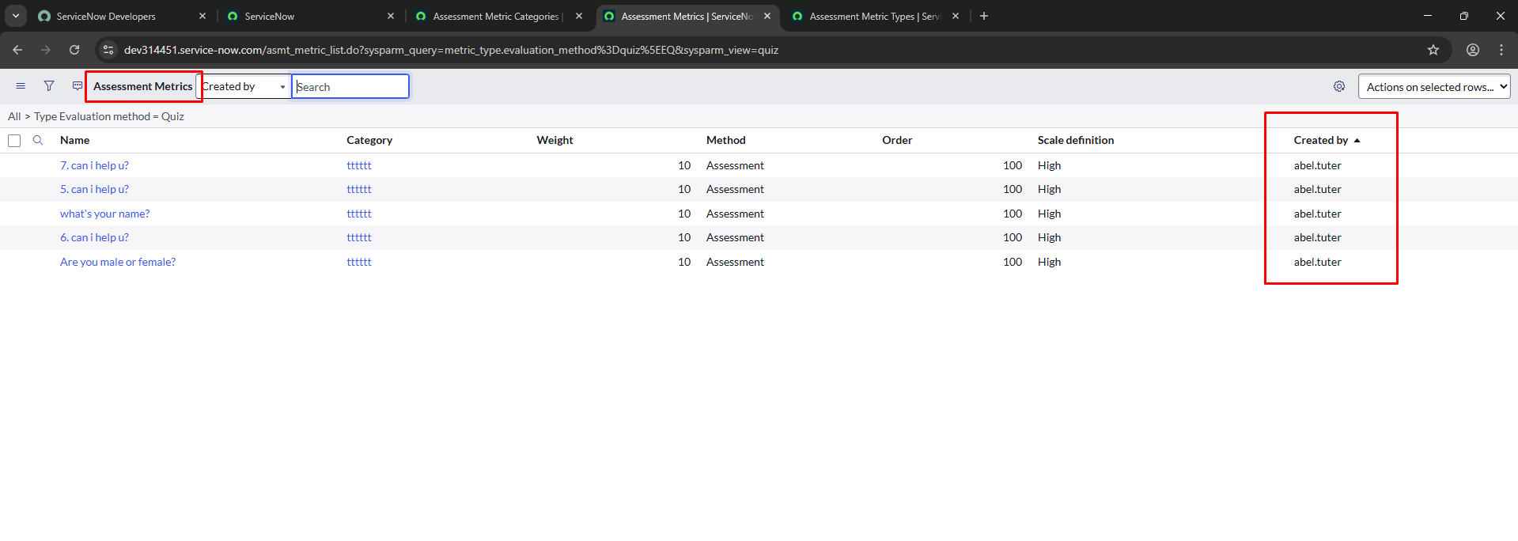
user doesn’t have survey_creator role can read all the questions, including other users's questions

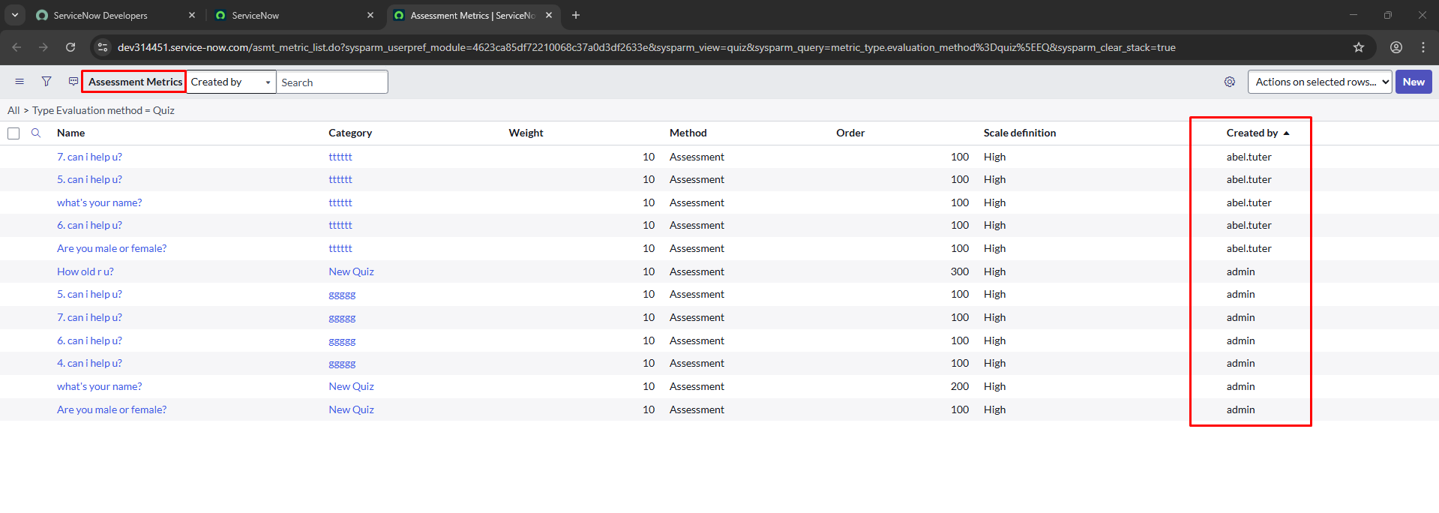

The user with the survey_creator role can only see their questions.

Bug
abel tuter has survey_creator rule
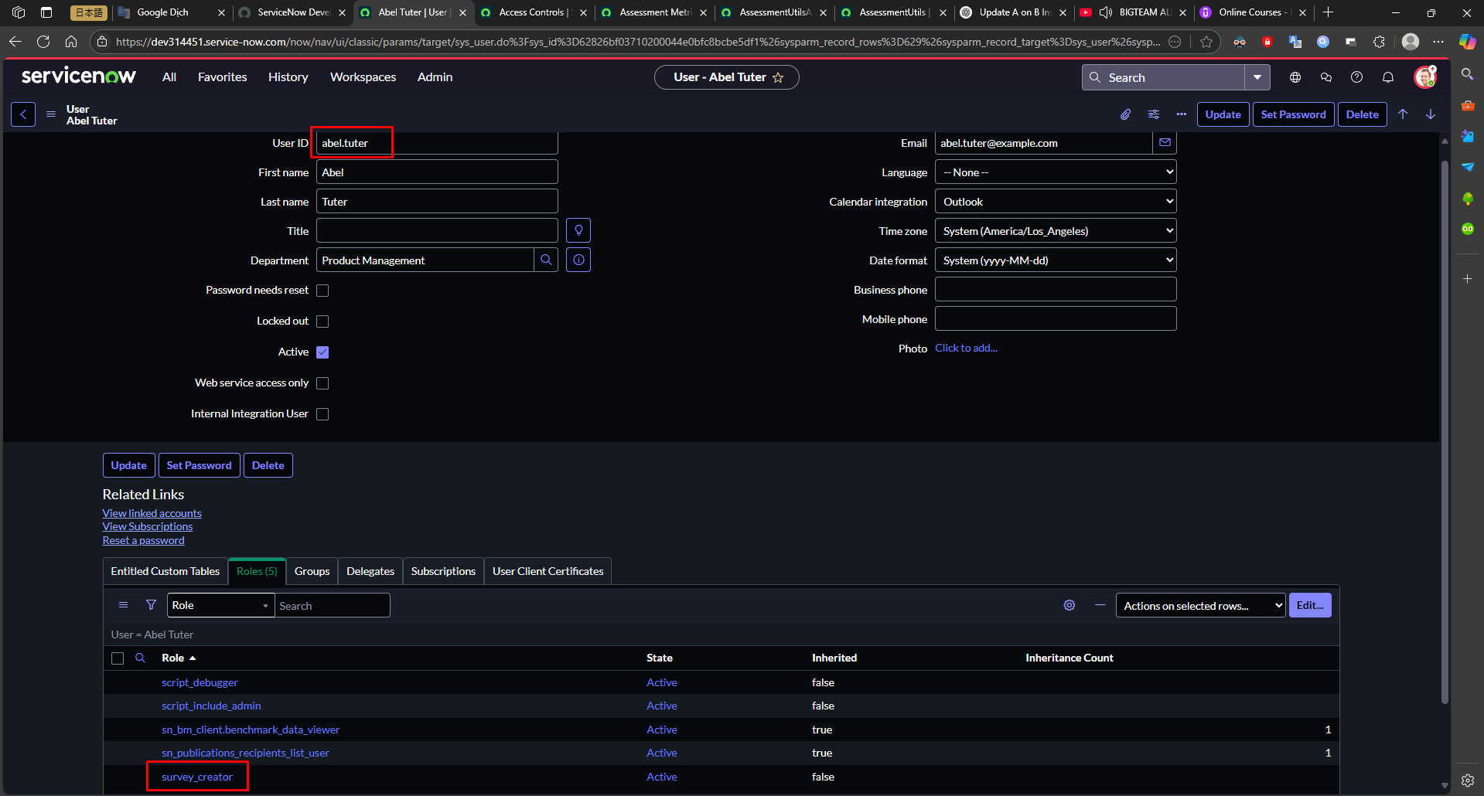

he only can create a quizz
he can only read his own quizes
he cant create a new question and a new category as well

dsdsds
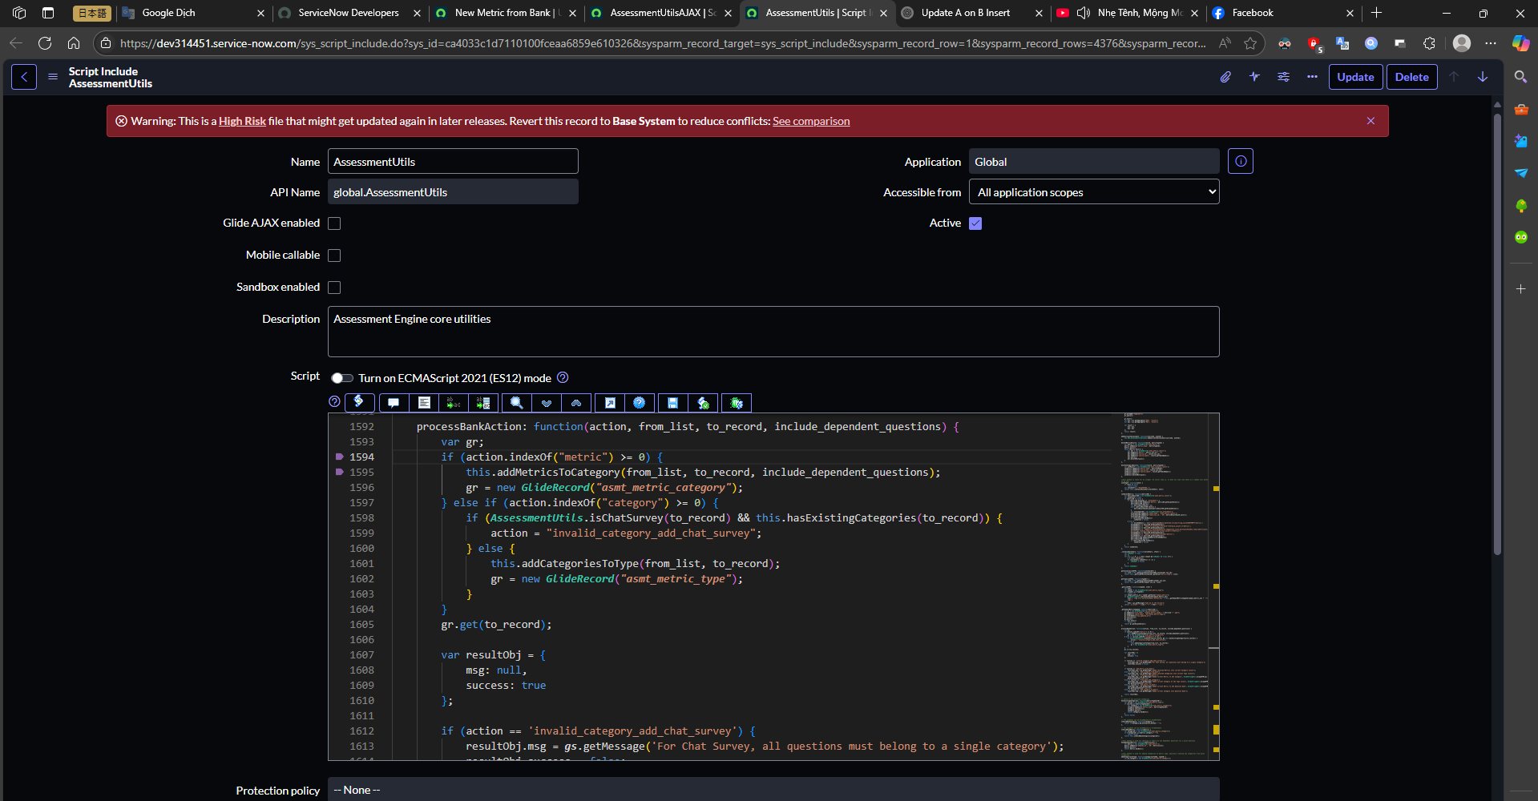
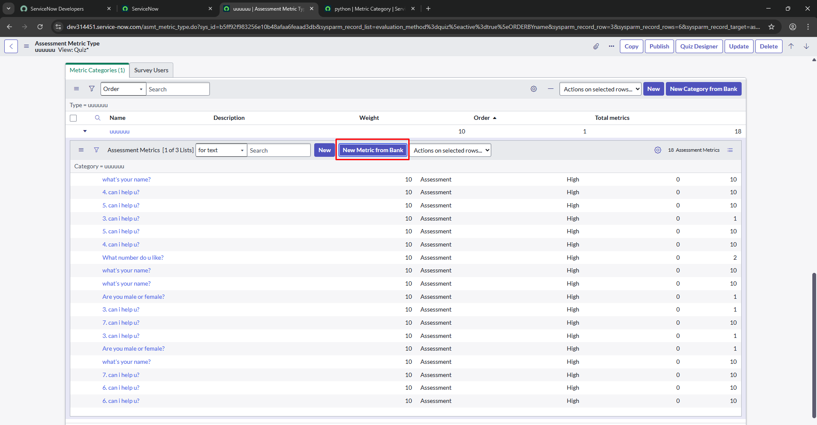

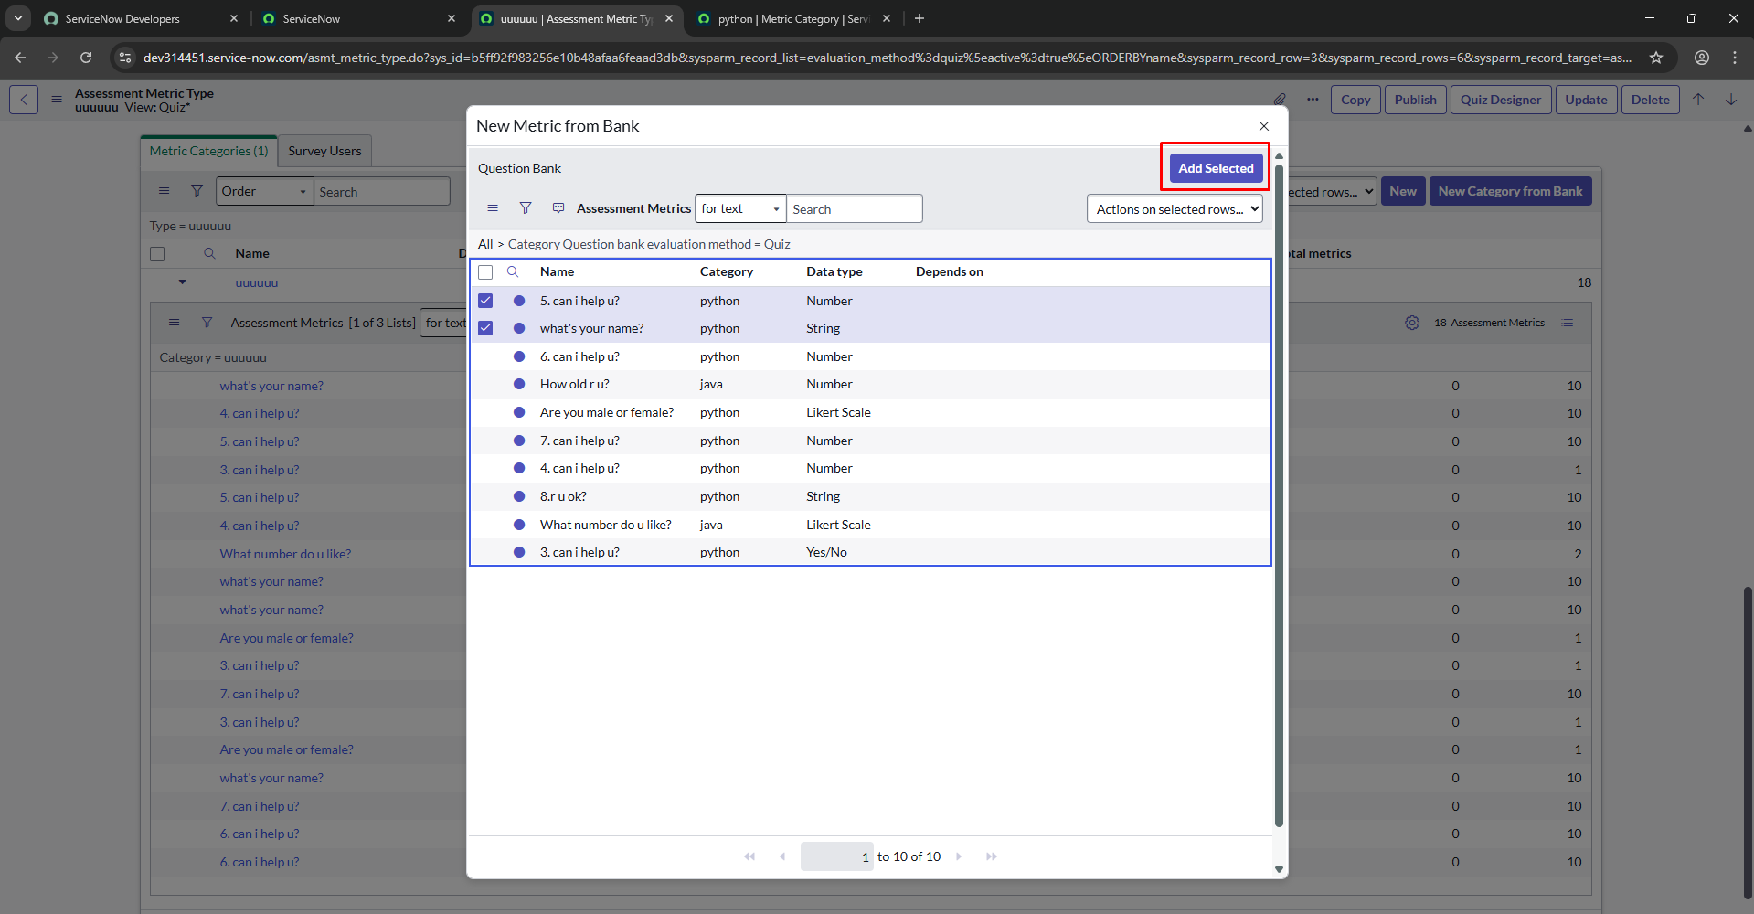

AssessmentUtilsAJAX
processBankAction
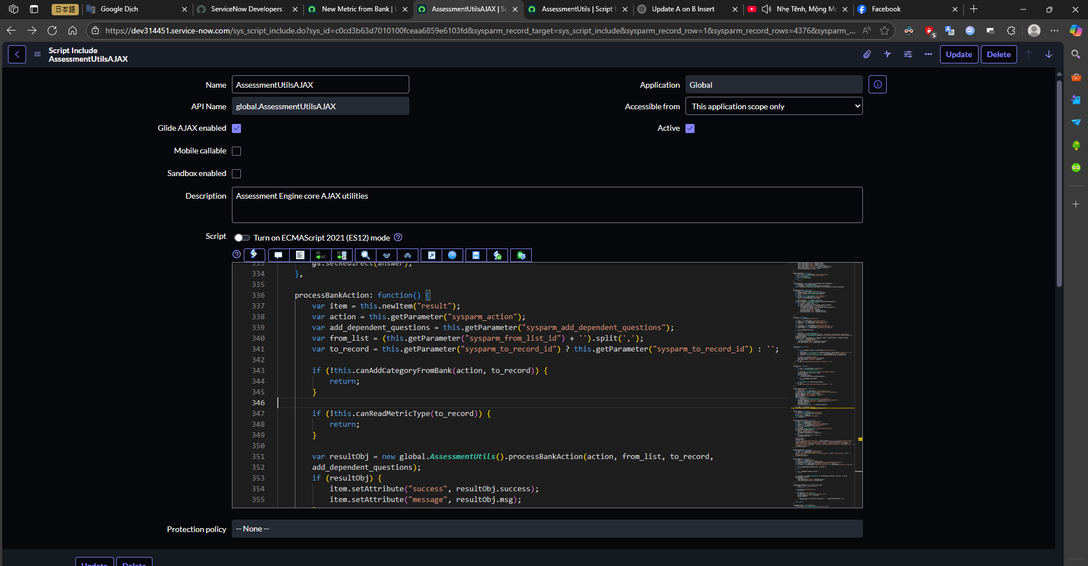

AssessmentUtils
processBankAction

